How to
Navigate to the Table of Contents

Ensure the document you working on is the lastest applicable version

Capture the contact information

For Each Module (HR Master Data and Payroll)
Select the Scoping Questionaire Tab:

This will naviagte you to questions that relate to your business process:
For Each question complete as much detailed information as possible in the Respose field:

For Example:
Termination Date Field:
EMDET / DET_TER_DATED {<Table> / <Field>}

Once you have complete the business process questionaire, go through each analytic:
From the table of content, click on the Analytic:

This will navigate you to the each test required criteria
Populate the required information where applicable.
Select the Frequency you want to run this test and for what period should we analyse and compare to:

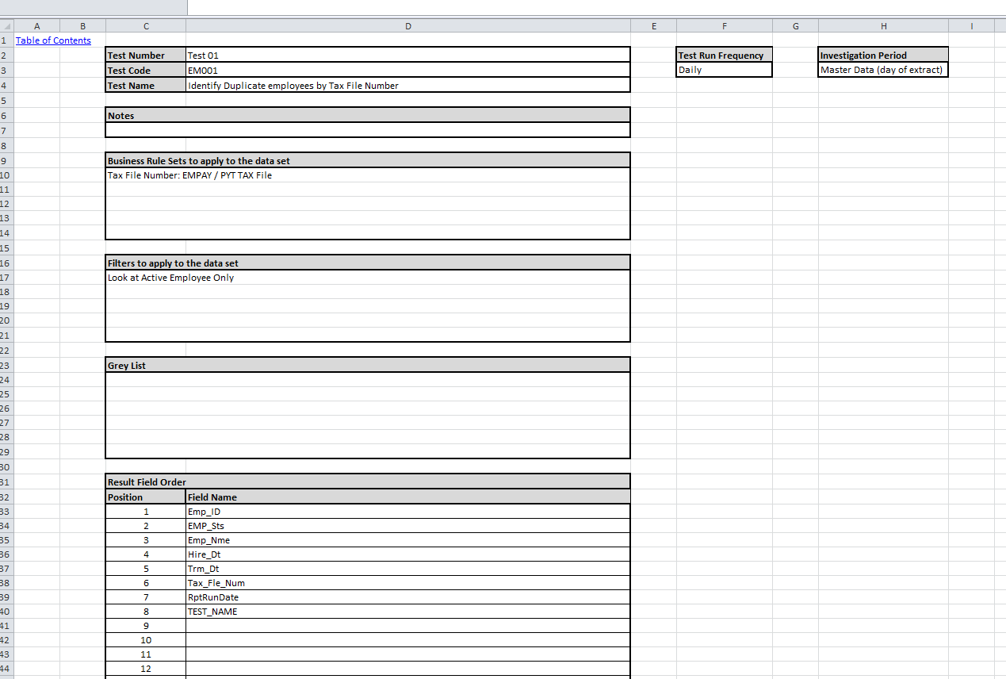

Based on the objective of the analytic
specify any business rules to apply
For Example:
Use Field PYT TAX File for duplicate TFN testing

Specify any filter to apply to the test
For Example:
Look at Active Employees

Specify criteria that should not be analysed.
For Example:
Directors must be exlucde:
Employee ID Range 02000-02999

Specify the fields that will assist in reviewing
the exception in the source system
For Example:
Emp_ID
EMP_Sts
EMP_Nme

Source Input Files
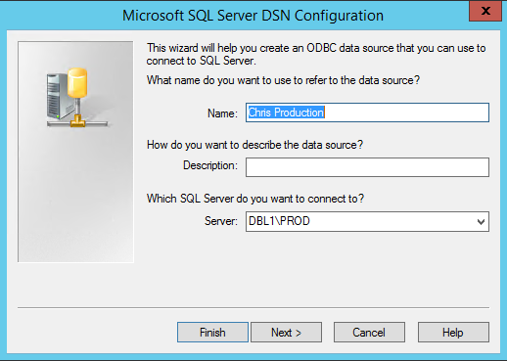
Table of Contents

 | Payroll
 | System | Chris21
 | Data generation | Data Extracts via ODBC
 | Format | ACL .FIL File
 | Location | DSN NAME: Chris Production
 | UserName | chris_audit
 | Password
 | Additional Notes

 | DSN Screen shots:

